Sheet1
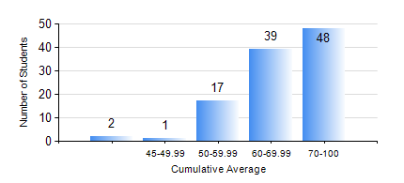
 |  |  | KWAME NKRUMAH UNIVERSITY OF SCIENCE AND TECHNOLOGY, KUMASI Department of Electrical/Electronic Engineering

 |  |  | BSC. ELECTRICAL/ELECTRONIC ENG.

 |  |  | COMPREHENSIVE RECORD OF EXAMINATION RESULTS

 |  |  | RESULTS OF YEAR 4 SECOND SEMESTER, 2018/2019 ACADEMIC YEAR

 | Sn | Course Code |  | Course Name | Credit Hours | Min. Mark | Max. Mark | Avg. Mark | Std. Dev. | No. Passed | No. Trailed | No. (Df) | No. (I) | No. (I*) | No. Tagged(I,I*,Df) | Total
 | 0. |  |  |  |  |  |  | 0 | 0 | 0 | 0 | 0 | 0 | 0 | 0 | 2
 | 1. | COE 484 |  | INDUSTRIAL AUTOMATIC CONTROL | 3 | 60 | 85 | 71 | 5.91 | 105 | 0 | 0 | 0 | 0 | 0 | 105
 | 2. | COE 486 |  | INTRODUCTION TO VLSI | 3 | 40 | 95 | 66 | 18.07 | 7 | 0 | 0 | 0 | 0 | 0 | 7
 | 3. | EE 462 |  | ELECTRIC DRIVES | 3 | 45 | 97 | 78 | 10.75 | 105 | 0 | 0 | 0 | 0 | 0 | 105
 | 4. | EE 466 |  | POWER SYSTEMS PLANNING AND OPTIMIZATION | 3 | 40 | 90 | 65 | 9.89 | 97 | 0 | 0 | 0 | 0 | 0 | 97
 | 5. | EE 468 |  | POWER SYSTEMS PROTECTION | 3 | 43 | 84 | 62 | 7.77 | 105 | 0 | 0 | 0 | 0 | 0 | 105
 | 6. | EE 472 |  | DIGITAL SIGNAL PROCESSING | 3 | 58 | 58 | 58 | 0 | 1 | 0 | 0 | 0 | 0 | 0 | 1
 | 7. | EE 498 |  | PROJECT II | 5 | 58 | 86 | 77 | 5.01 | 105 | 0 | 0 | 0 | 0 | 0 | 105
 | 8. | ME 492 |  | ENTREPRENEURSHIP DEVELOPMENT AND MANAGEMENT | 2 | 40 | 80 | 62 | 6.08 | 105 | 0 | 0 | 0 | 0 | 0 | 105

